Dashboard
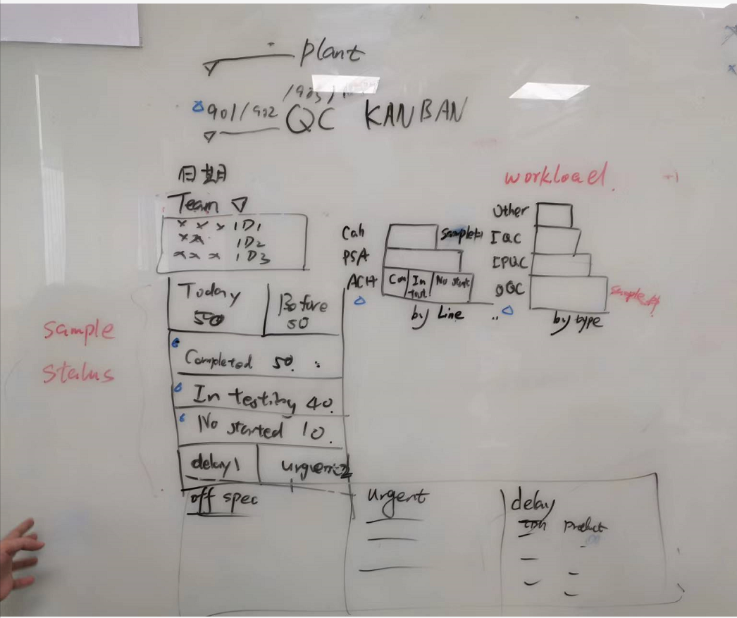
No. | RTM Reference | Henkel requirements | Days
1 | 4.11.1.1 | Two dashboards are required, a static dashboard with filtered conditions and a dynamic dashboard with default conditions with timed refreshes; the content displayed in both dashboards is the same | 2
2 | 4.11.1.2 | The static dashboard with filters has the following filters:plant, work center, business team(group) | 1
3 | 4.11.1.3 | Dynamic dashboards with default conditions are filtered by plant, work centre, business team(group) where the currently logged in person is located. | 1
4 | 4.11.1.4 | The dashboard shall display: Date of the day, of that day, the lists of on-duty operators, only showing the operator ID | 1
5 | 4.11.1.5 | The dashboard shall display: of the criteria, the statistic of all the tasks : Count of samples received on the same day that were not reviewed and completed Count of samples received prior to the day that were not audited and completed Count of samples completed Count of samples in-testing Count of not started Count of delayed sample Count of urgent sample | 3
6 | 4.11.1.6 | The dashboard shall display: list of delayed sample | 1
7 | 4.11.1.7 | The dashboard shall display: list of urgent sample | 1
8 | 4.11.1.8 | The dashboard shall display:the column chart in which x axis has the Sample Count, and y axis has the product line. and the column chart is coloured according to the status of the samples (Not Started, Test in Progress, Test Completed). | 3
9 | 4.11.1.9 | The dashboard shall display: anotther column chart in which x axis has the Sample Count, and y axis has the inspection type (IQC, OQC, IPQC), and the column chart should be colour-coded according to the sample status (Not Started, Test in Progress, Test Completed). | 3
 |  | SOW:3days | 16

Dashboard details
No. | RTM Reference | Henkel requirements | Days
1 | 4.11.1.1 | Two dashboards are required, a static dashboard with filtered conditions and a dynamic dashboard with default conditions with timed refreshes; the content displayed in both dashboards is the same | 2
2 | 4.11.1.2 | The static dashboard with filters has the following filters:plant, work center, business team(group) 1. 与1.3相同是静态Dashboard的功能 | 1
3 | 4.11.1.3 | Dynamic dashboards with default conditions are filtered by plant, work centre, business team(group) where the currently logged in p erson is located. 1. Plant filter on the top 2. Work center filter below Plant filter 3. Business Team filter - 对应到Team 下拉三角形 | 1
4 | 4.11.1.4 | The dashboard shall display: Date of the day, of that day, the lists of on-duty operators, only showing the operator ID 1. 显示当天日期 2. 显示业务组的当天在班的成员ID | 1
Don't need this
5 | 4.11.1.5 | The dashboard shall display: of the criteria, the statistic of all the tasks : Count of samples received on the same day that were not reviewed and completed Count of samples received prior to the day that were not audited and completed Count of samples completed Count of samples in-testing Count of not started Count of delayed sample Count of urgent sample 仪表盘中需显示： 当天收样但未审核完成的样品数量 当天之前收样但未审核完成的样品数量 测试已完成的样品数量completed --系统内状态 测试中的样品数量in-testing（sample状态为Available，sample下 test存在In Progress，Completed、Authorised状态的）-- 系统外状态，需要逻辑处理 未开始的样品数量not started（sample状态为Available，且sample下的test没有In Progress、Completed、Authorised 、Rejected状态的）-- 系统外状态，需要逻辑处理 the count of delayed sample -- 需要额外先把预计完成时间算出来 the count of urgent sample -- 需要额外字段标识 | 3
6 | 4.11.1.6 | The dashboard shall display: list of delayed sample | 1
7 | 4.11.1.7 | The dashboard shall display: list of urgent sample | 1
8 | 4.11.1.8 | The dashboard shall display:the column chart in which x axis has the Sample Count, and y axis has the product line. and the column chart is coloured according to the status of the samples (Not Started, Test in Progress, Test Completed). 1. 横坐标数量，纵坐标产线 2. 且柱状图中按照样品状态（未开始-额外逻辑处理，测试中-额外逻辑处理，测试已完成）分颜色显示 | 3
9 | 4.11.1.9 | The dashboard shall display: anotther column chart in which x axis has the Sample Count, and y axis has the inspection type (IQC, OQC, IPQC), and the column chart should be colour-coded according to the sample status (Not Started, Test in Progress, Test Completed). 1. 横坐标数量，纵坐标inspection Type 2. 且柱状图中按照样品状态（未开始-额外逻辑处理，测试中-额外逻辑处理，测试已完成）分颜色显示 | 3
 |  | SOW:3days | 16

